Sheet1
(1) Rolling a die. mean = 3.5 | Why?
 | i | p(i) | p(i) | i*p(i)
 | 1 | 1/6 | 0.16667 | 0.16667 | Note rounding errors!
 | 2 | 1/6 | 0.16667 | 0.33334
 | 3 | 1/6 | 0.16667 | 0.50001
 | 4 | 1/6 | 0.16667 | 0.66668
 | 5 | 1/6 | 0.16667 | 0.83335
 | 6 | 1/6 | 0.16667 | 1.00002
 |  |  | Mean --> | 3.50007

Now we calculate the variance of this same RV.

 | i | p(i) | (i-mean)^2
 | 1 | 0.16667 | 6.25 | 1.0416875
 | 2 | 0.16667 | 2.25 | 0.3750075 | Note the symmetry!
 | 3 | 0.16667 | 0.25 | 0.0416675
 | 4 | 0.16667 | 0.25 | 0.0416675
 | 5 | 0.16667 | 2.25 | 0.3750075
 | 6 | 0.16667 | 6.25 | 1.0416875
 |  |  | Variance --> | 2.916725

Sheet2
(1) Rolling a biased die. mean = 3.5 | Why?
 | i | p(i) | p(i) | i*p(i)
 | 1 | 1/12 | 0.08333 | 0.08333 | Note rounding errors!
 | 2 | 1/12 | 0.08333 | 0.16666
 | 3 | 1/3 | 0.33333 | 0.99999
 | 4 | 1/3 | 0.33333 | 1.33332
 | 5 | 1/12 | 0.08333 | 0.41665
 | 6 | 1/12 | 0.08333 | 0.49998
 |  |  | Mean --> | 3.49993

Now we calculate the variance of this same RV.

 | i | p(i) | (i-mean)^2
 | 1 | 0.08333 | 6.25 | 0.5208125
 | 2 | 0.08333 | 2.25 | 0.1874925 | Note the symmetry!
 | 3 | 0.33333 | 0.25 | 0.0833325
 | 4 | 0.33333 | 0.25 | 0.0833325
 | 5 | 0.08333 | 2.25 | 0.1874925
 | 6 | 0.08333 | 6.25 | 0.5208125
 |  |  | Variance --> | 1.583275

Sheet3
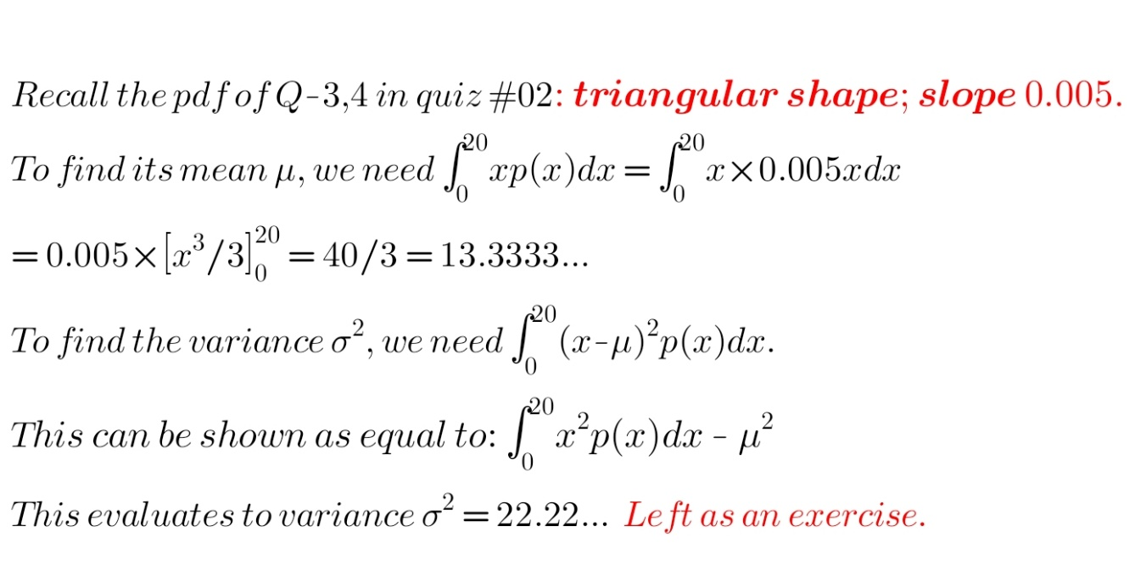
Quiz #02, Q-3,4

Index | x | p(x) | x*p(x) | (x-mean)^2*p(x)
1 | 0 | 0 | 0 | 0
2 | 1 | 0.0050 | 0.0025 | 0.4117147225
3 | 2 | 0.0100 | 0.0125 | 1.0501491675
4 | 3 | 0.0150 | 0.0325 | 1.4669236125
5 | 4 | 0.0200 | 0.0625 | 1.6920380575
6 | 5 | 0.0250 | 0.1025 | 1.7554925025
7 | 6 | 0.0300 | 0.1525 | 1.6872869475
8 | 7 | 0.0350 | 0.2125 | 1.5174213925
9 | 8 | 0.0400 | 0.2825 | 1.2758958375
10 | 9 | 0.0450 | 0.3625 | 0.9927102825
11 | 10 | 0.0500 | 0.4525 | 0.6978647275
12 | 11 | 0.0550 | 0.5525 | 0.4213591725
13 | 12 | 0.0600 | 0.6625 | 0.1931936175
14 | 13 | 0.0650 | 0.7825 | 0.0433680625
15 | 14 | 0.0700 | 0.9125 | 0.0018825075
16 | 15 | 0.0750 | 1.0525 | 0.0987369525
17 | 16 | 0.0800 | 1.2025 | 0.3639313975
18 | 17 | 0.0850 | 1.3625 | 0.8274658425
19 | 18 | 0.0900 | 1.5325 | 1.5193402875
20 | 19 | 0.0950 | 1.7125 | 2.4695547325
21 | 20 | 0.1000 | 1.9025 | 3.7081091775
 |  | Mean -> | 13.3500 | 22.1944 | <- Var

